Screenshots
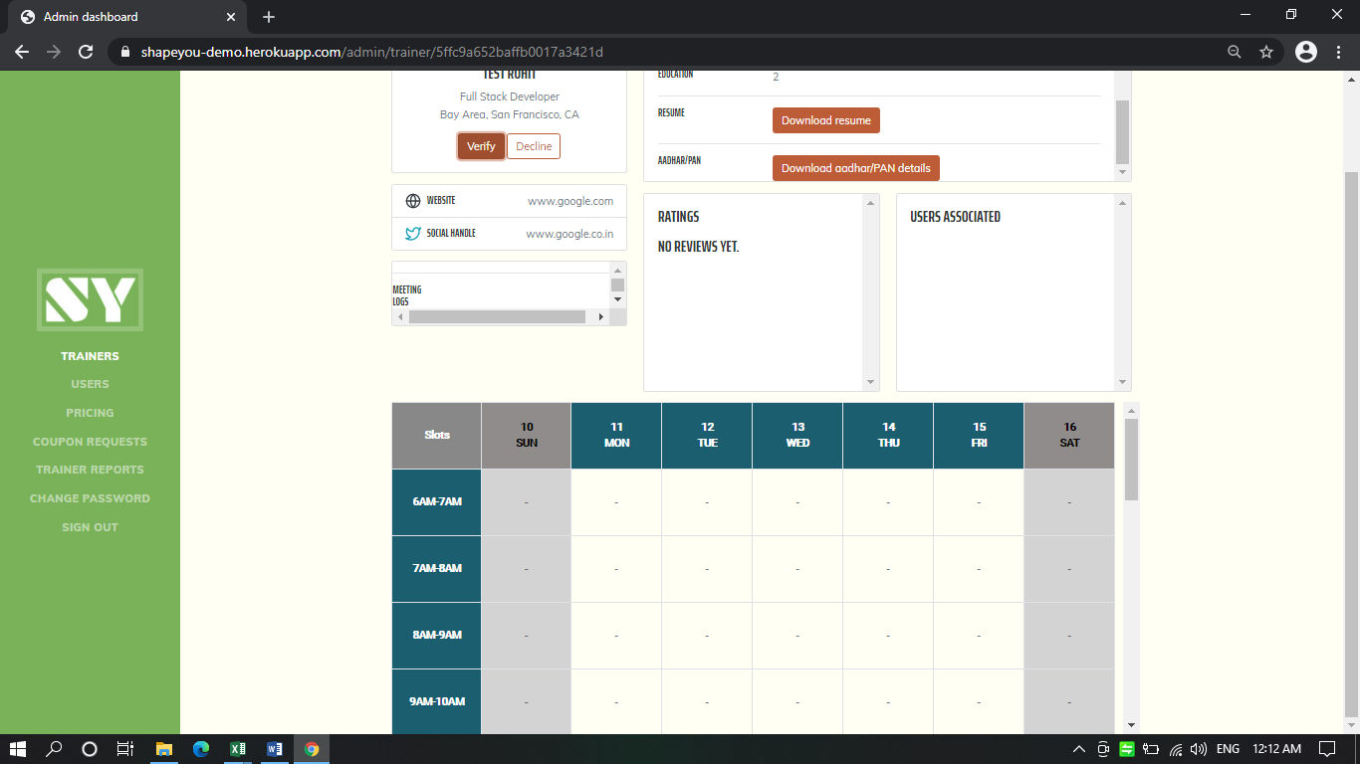
1 | For Image, aadhar, and resume there should be a tooltip or message to undestand which formart is support for each field and max file size.

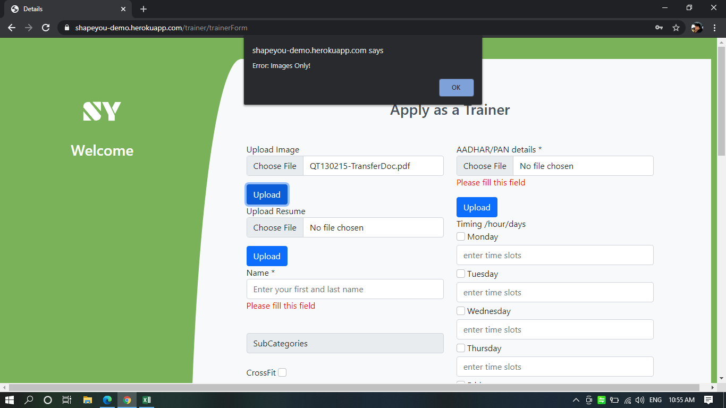
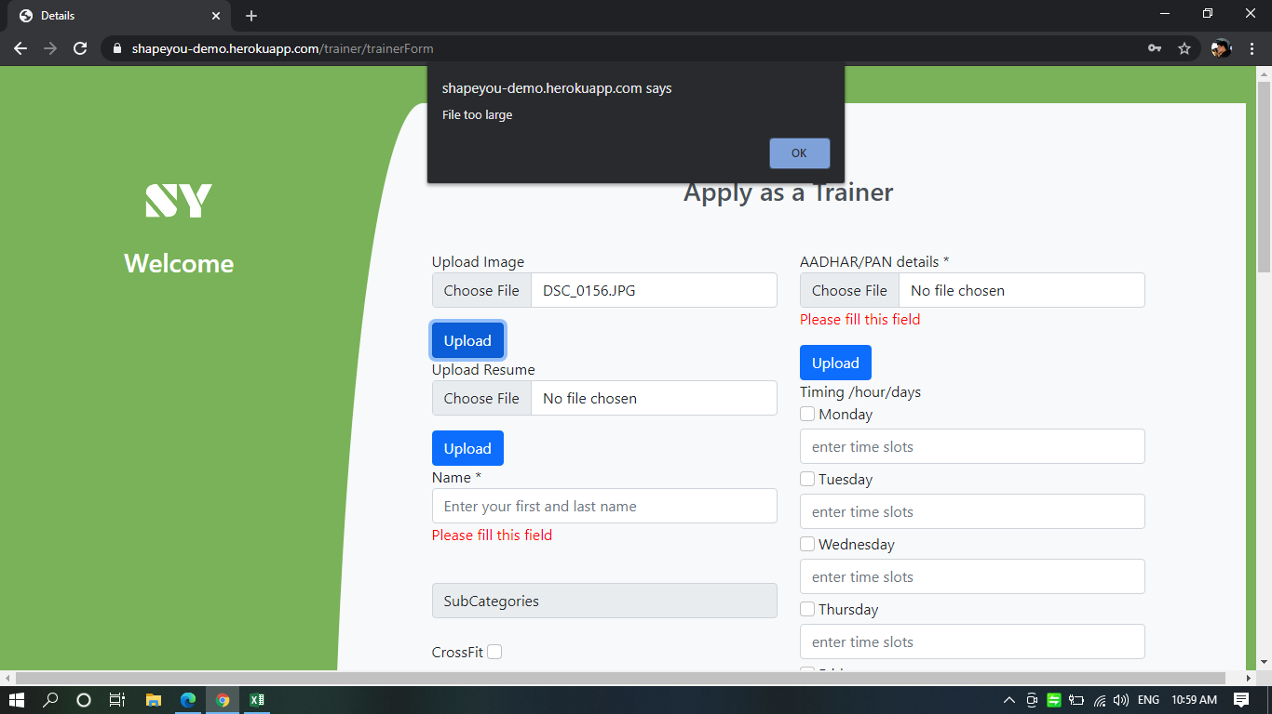
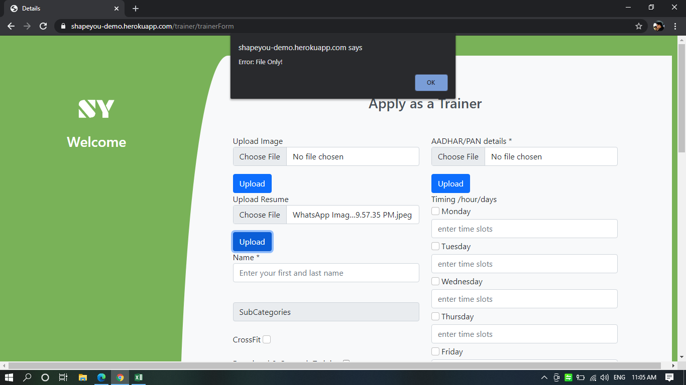

2 | Amount can be entered in negative

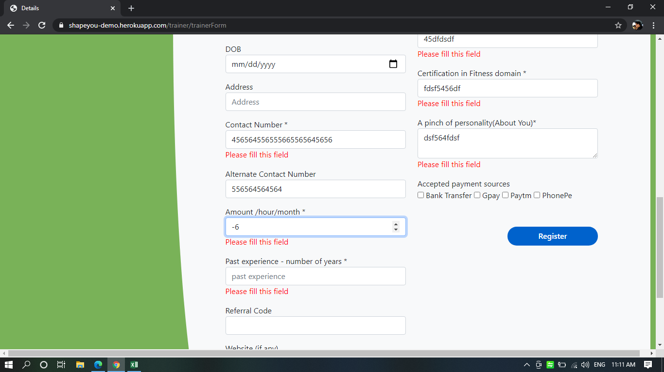

 | 3 | Filled all mandatory fields still below message is seen, else rest other mandatory fields should also contain star

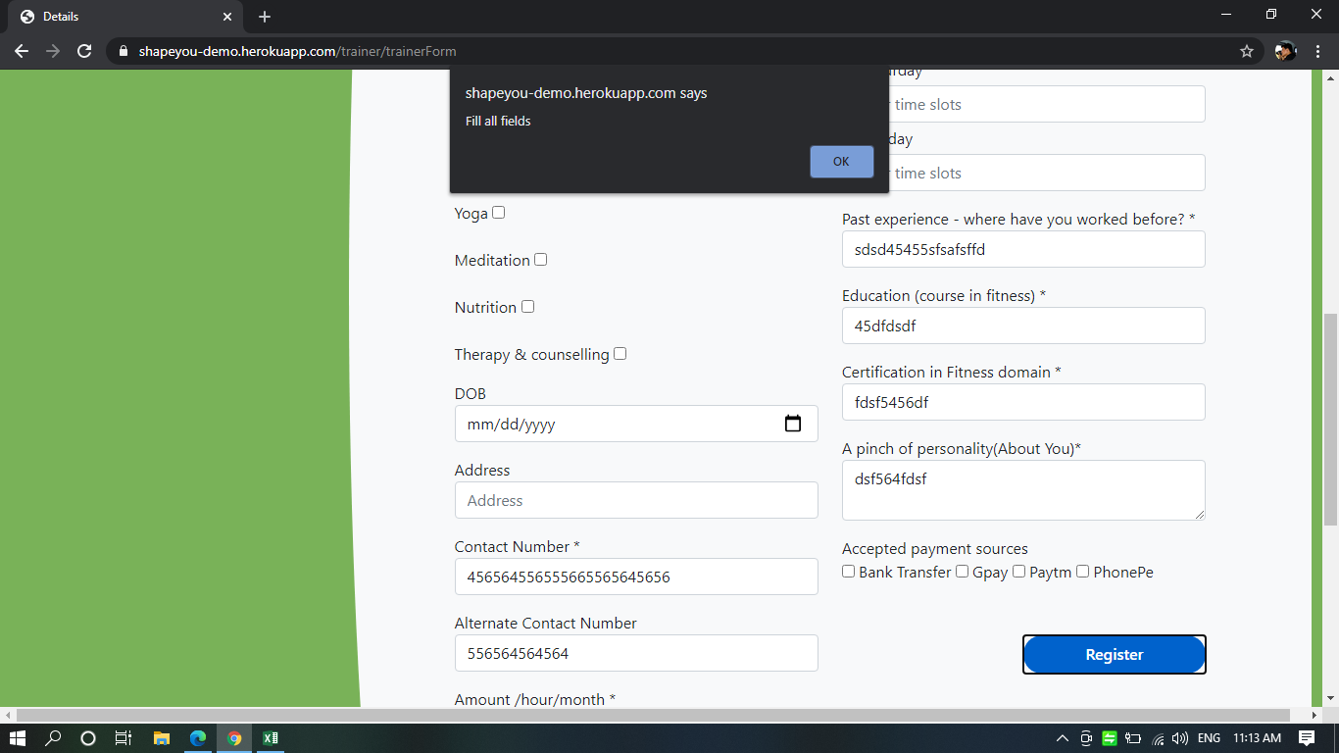

4 | Future DOB is also excepted

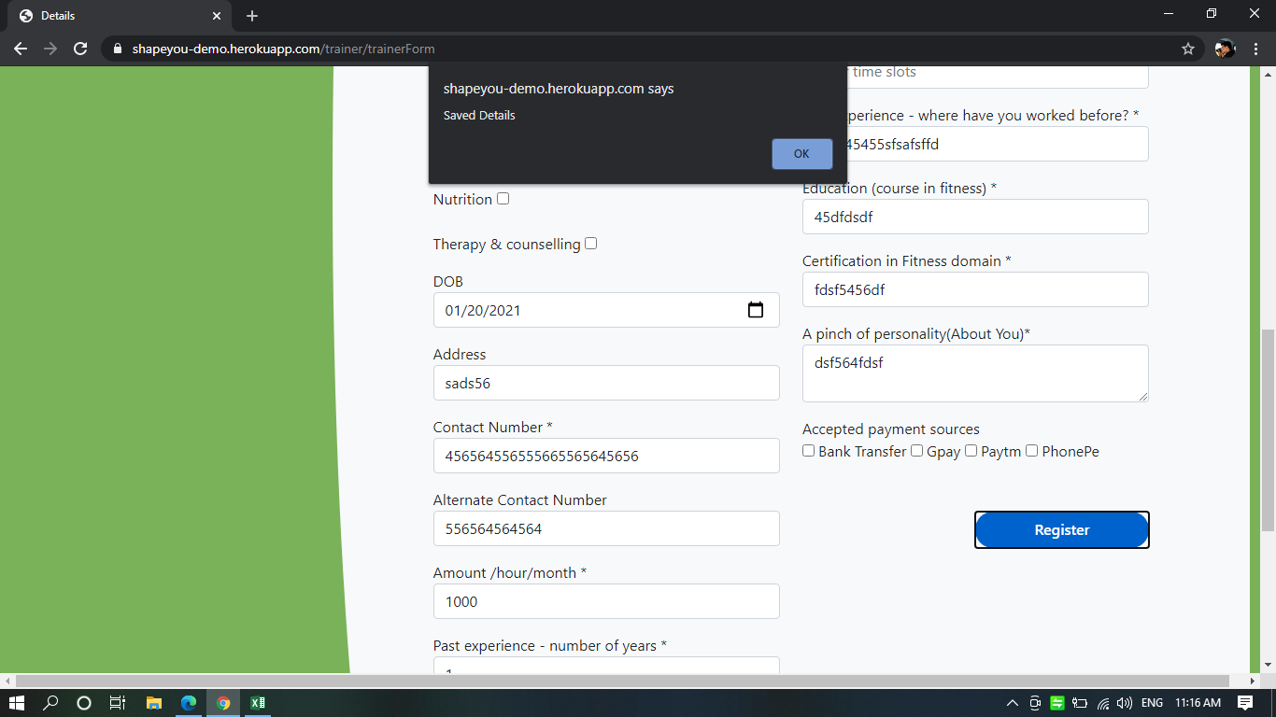

5 | In Admin panel below trainer name information is seen which is not related to Registration details. Kindly check

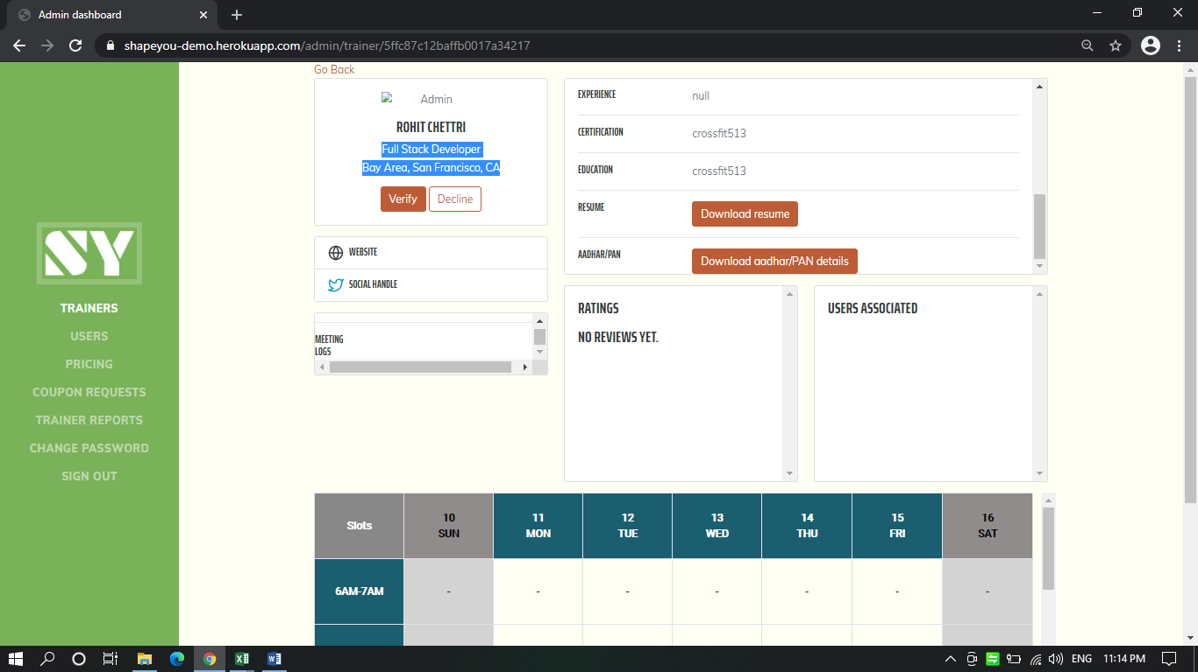

6 | Trainer has not uploaded resume still admin is able to download and the download is in html form, it should be disabled if the resume is not uploaded and if uploaded same download or as per the requirement download format should work.

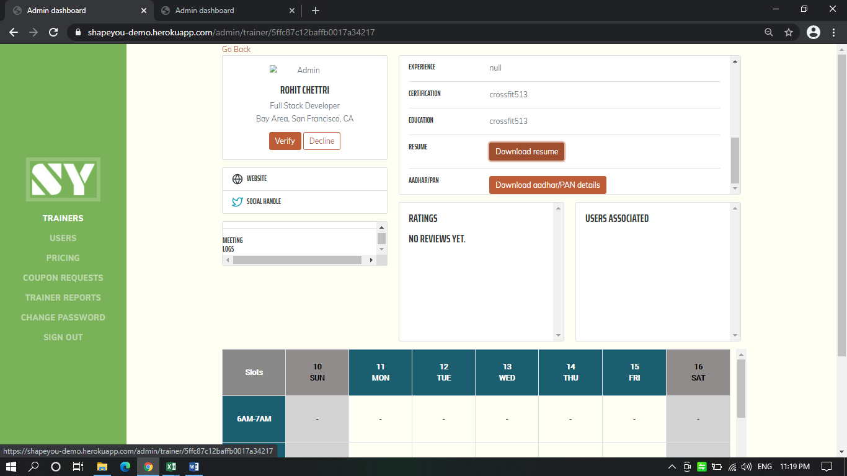
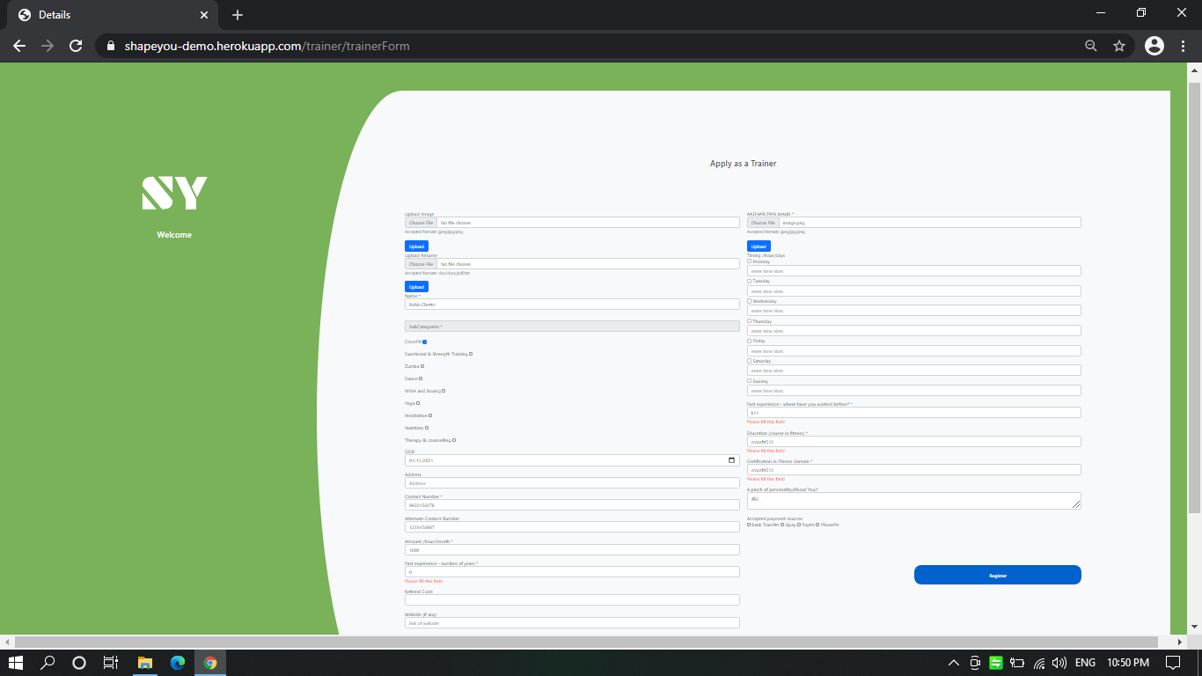
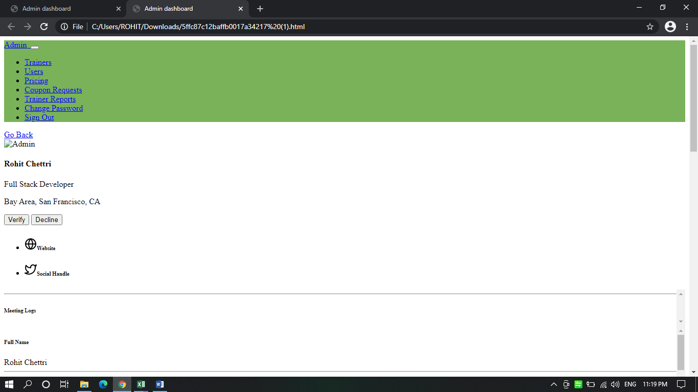

7 | Aadhar uploaded by trainer, but unable to download,format will be as agreed in the requirement.

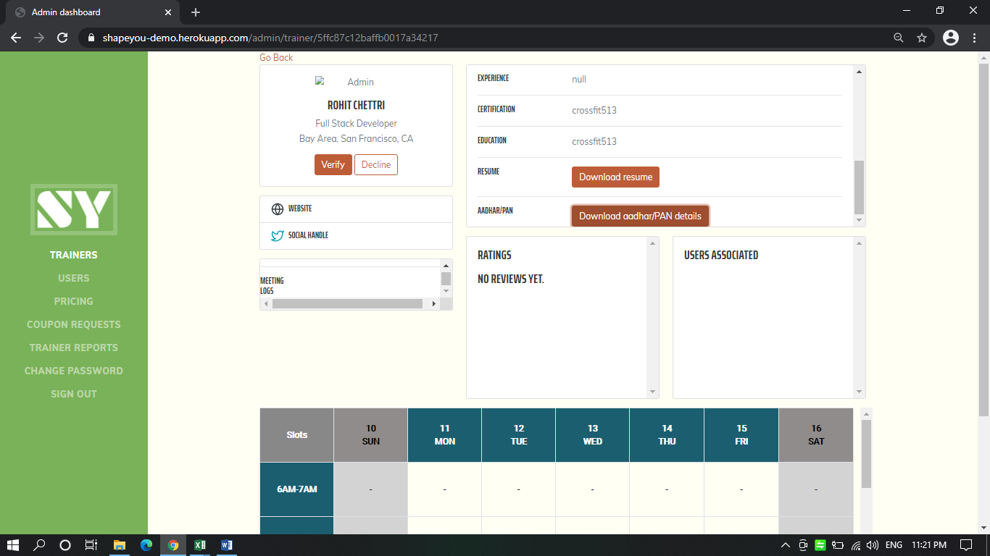

8 | Experience is given as 0 during reg. but seen as null, also as per my suggesion if exp is >1 in sign up page the (past exp- where have you worked before should be disabled), else field name should be different.

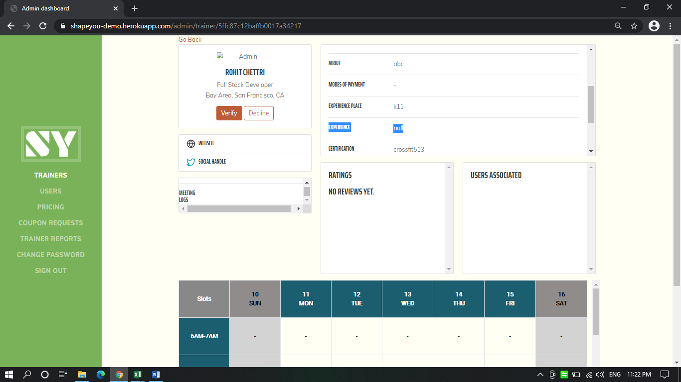

9 | Admin is unable to Decline or Verify Trainer, both buttons are not working

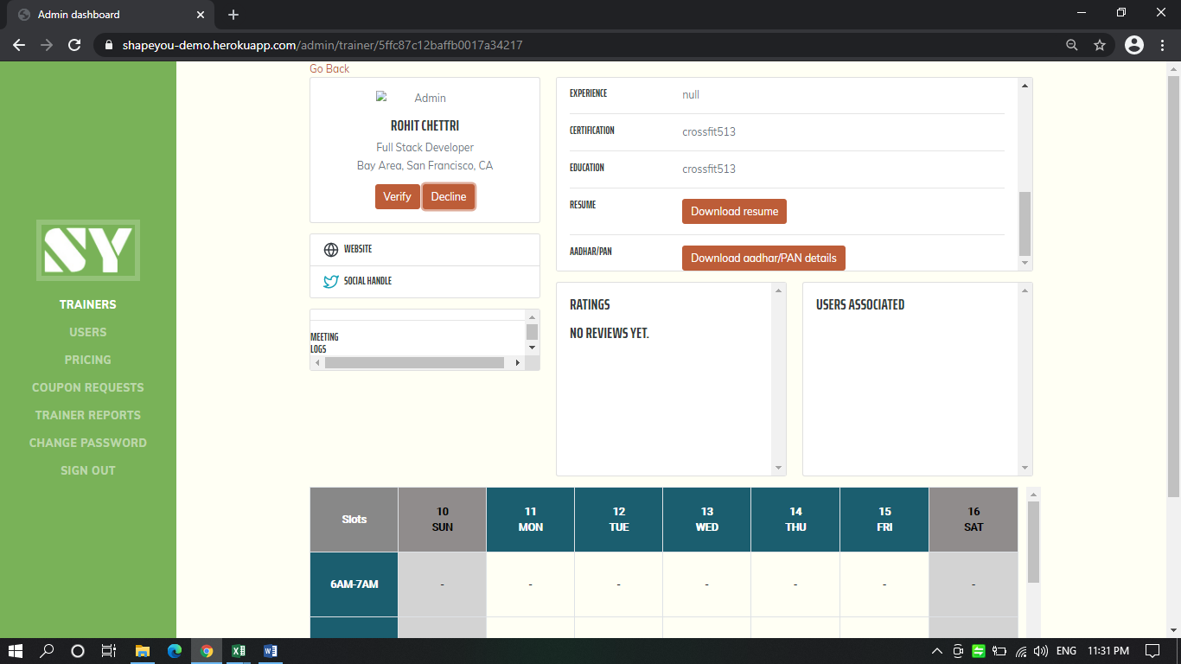
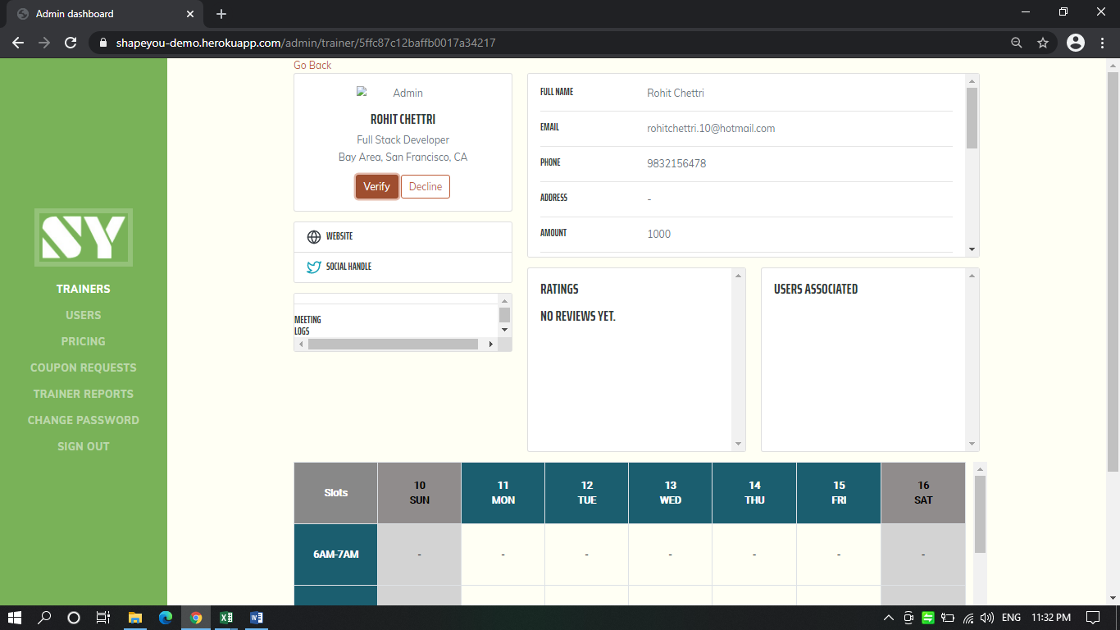

10 | Trainer signup all fields are not filled the user should be prompted and taken to the field.

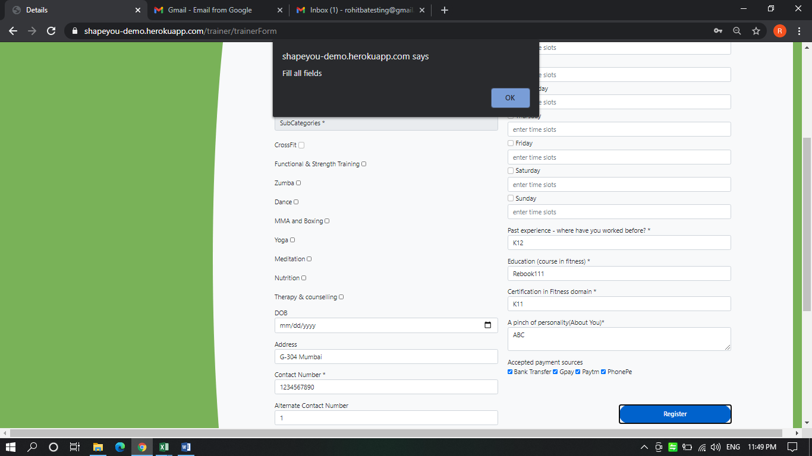

11 | Multiple mode of payment should be comma seperated or as per the agreed format

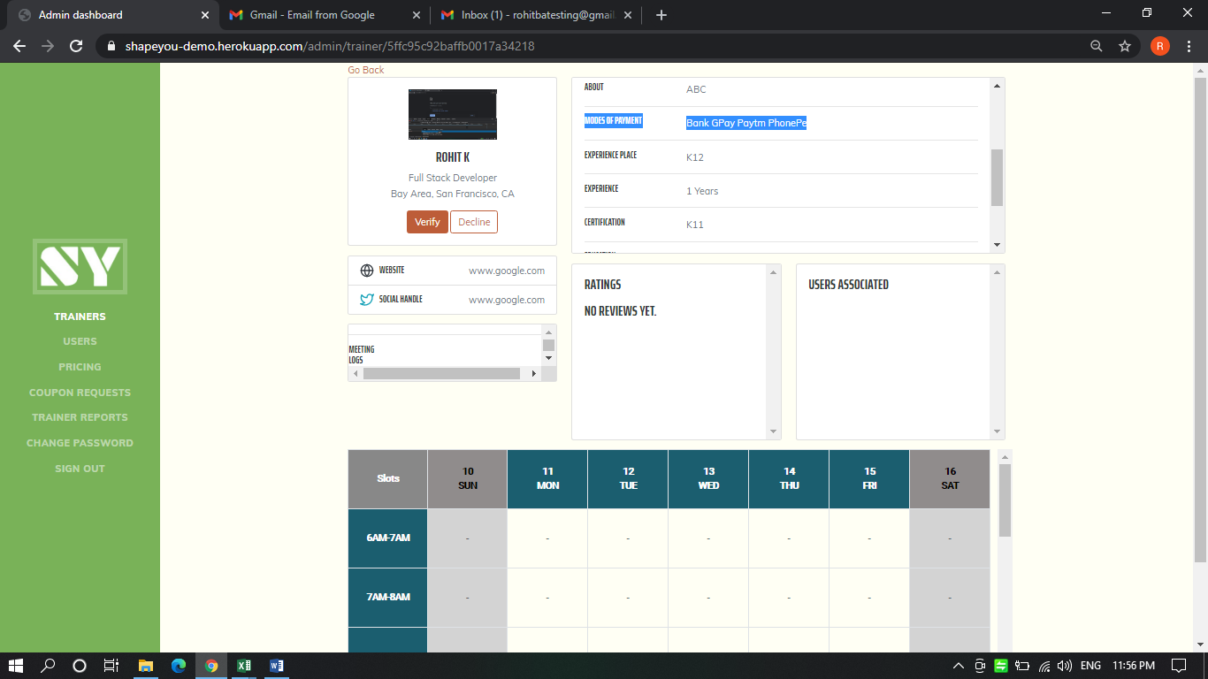

 | 12 | If the trainer has already sign up then appropriate message should be shown. Currently it is failing with application error

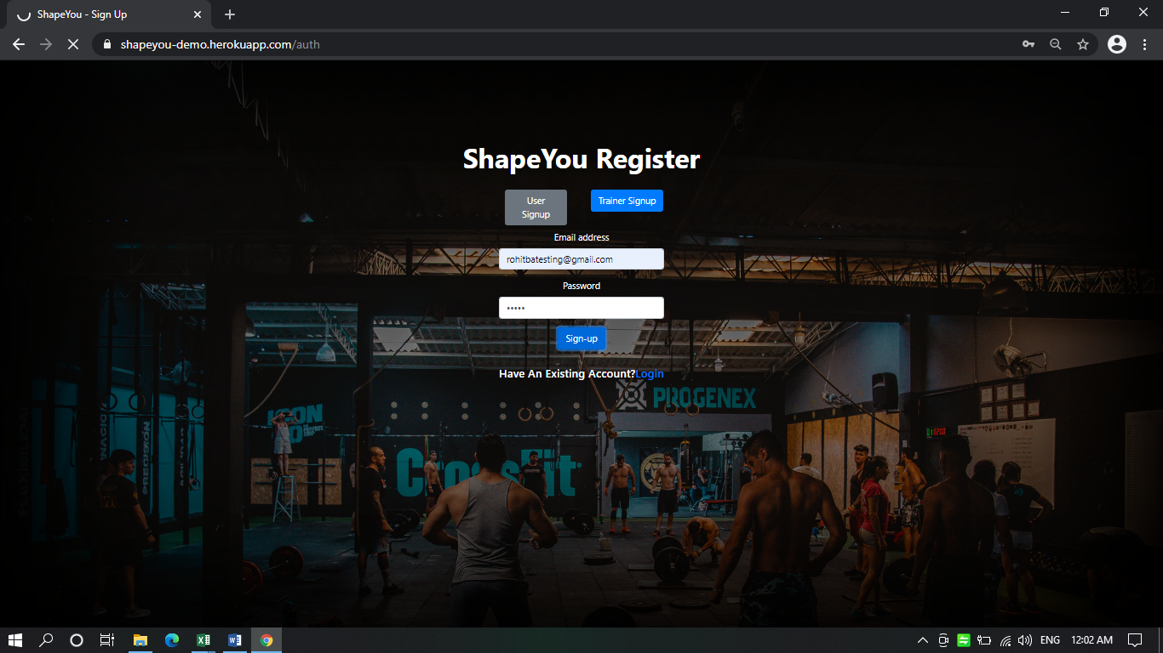
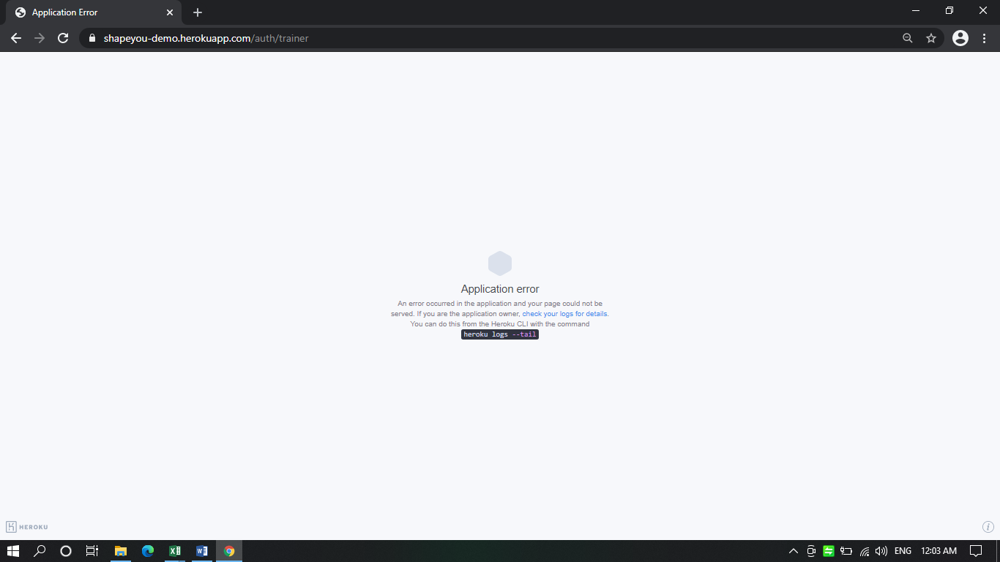

13 | During trainer signup if slot is not selected still able to edit (Timing /hour/days) field

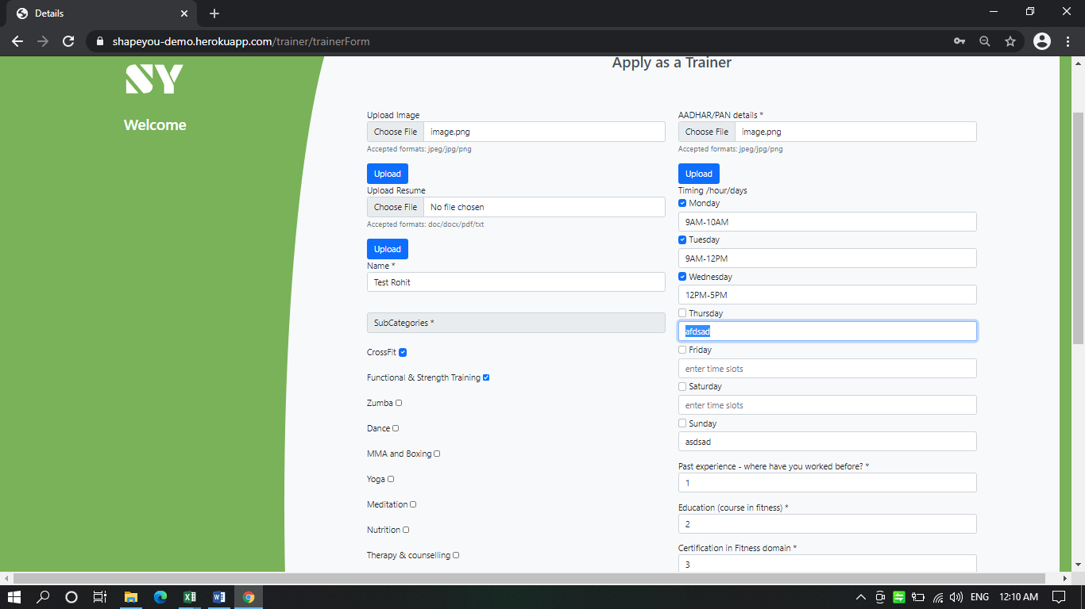

14 | If slots are added by trainer during sign up admin is unable to see

